Cover

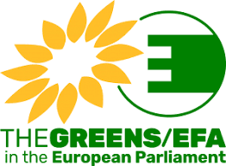
Accelerating the European renewable energy transition
Results - Data
LUT University
&
Greens European Free Alliance
2022
Authors
Manish Ram, Dmitrii Bogdanov, Rasul Satymov, Gabriel Lopez, Theophilus Mensah, Kristina Sadovskaia, Christian Breyer
Citation
Ram M., Bogdanov D., Satymov R., Lopez G., Mensah T.N.O., Sadovskaia K., Breyer C. (2022) Accelerating the European renewable energy transition. LUT University and Greens European Free Alliance, Lappeenranta, Brussels
ISBN 978-952-335-831-7
Lappeenranta-Lahti University of Technology Research Reports 142.
ISSN-L 2243-3376, ISSN 2243-3376
Lappeenranta 2022

